DDAS Issue Logs
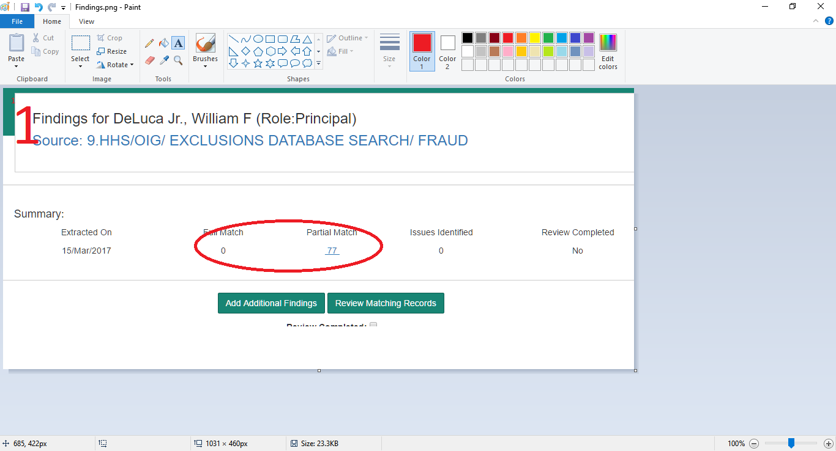
Serial No. | Issue Date | Title | Issue Description | Category | Status | Action | Severity | Close Date
1 | 15-Mar-17 | Worldcheck for SubIs | Worldcheck reviews are not needed for Sub Is | Functionality | Open | We will check the feasibility. This feature is not possible in the current implementation. | High
2 | 15-Mar-17 | Search on Initials | Search is being performed on even a single letter like Initials. Ex:- on SDN list | Functionality | Open | Question: Do you want to ignore the intials in the Investigator name during search. In the current implementation initials are part of the search for all the Site Sources. If required the search can be applied only to name component having more than n charcters, three or more, please specify. | High
3 | 15-Mar-17 | Full & Partial Match | Full & Partial Matches are not working as expected as it displays same results for both | Functionality | Open | Both the links on the Findings Page currently display Full and Partial Matches - Please see screen shot 1. This will be corrected. If you are referring to any other section of the application, please identify the section. | High
5 | 15-Mar-17 | Highlighting names | Automatically highlight the matching names in Findings page | Recommendation | Open | Feasible. Please see screen shot 2 and confirm if you need this feature in both locations. | Low
6 | 15-Mar-17 | New & Additional Name Search | Any newly added names are not being saved or searched sometimes by Tool now | Functionality | Open | will check and correct. | High
7 | 15-Mar-17 | Source number are not added correct | Source numbers in ICSFs are not added correctly, if DMC or Unavailable are added up | Functionality | Open | Provide more details to reproduce this error. | Medium
8 | 15-Mar-17 | Weblinks missing in ICSF | Weblinks are not added in ICSFs for all additional web searches | Data Missed | Open | will check and correct. | High
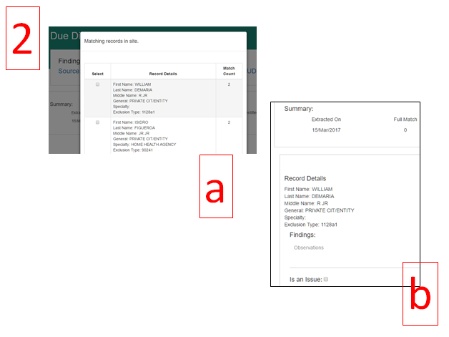
9 | 15-Mar-17 | Browser Integration | Browser functionalities are not working on tool | Functionality | Open | Please explain 'browser integration' | Low
10 | 15-Mar-17 | Source Dates for Additional weblinks / Worldcheck | An option be provided to enter source dates for all additional weblinks or Worldcheck | Recommendation | Open | Will be provided. | High
11 | 15-Mar-17 | Few Source Dates are not captured | Source dates on few websites are still not being captured automatically | Functionality | Open | will be provided. | High
12 | 15-Mar-17 | Missing Findings | Tool unable to capture all findings/matches in OIG weblink | Functionality | Open | Specific examples will help in analysing the issue. Please indicate the Project Number + Principal Investigator, Site Source and expected result. | Critical
13 | 15-Mar-17 | Missing Findings | Tool unable to capture all findings/matches like entities in SAM weblink | Functionality | Open | The SAM site has a button 'View Details' which opens another view. Please indicate the additional details that need to be captured. | Critical
14 | 15-Mar-17 | Missing Findings | Tool unable to split names to search on matches on few websites EX:- Andrzej Hellmann on CBER Weblink | Functionality | Open | Please provide more details and indicate the Project Number + Principal Investigator, Site Source and expected result. | Critical
15 | 15-Mar-17 | Definition of codes | Tool to define/expand the codes automatically EX:- VAI, NAI Etc., | Recommendation | Open | Need more details. | Medium
16 | 15-Mar-17 | Failed to capture information | Tool failed to pull the information such as "Date of Action" or "Code" on OIG Exclusion in review screen but instead mentioned "OK" and also failed to display code as 1128 (b)14 but captured as 1128b14 EX:- Bishop Adam | Data Missed | Open | 1. Date of Action: is available and can be included in the display. 2. 'Code' - not clear how to extract the code. 3. 1128(b)14 / 1128b14, the data downloaded from the site has a slightly different format from the one displayed on the web site. It is difficult to selectively modify the format. | Medium
17 | 15-Mar-17 | Search Criteria on All Searches | Refining of the search filters in "All Searches" tab to assist performing search per Investigator names Etc., | Recommendation | Open | Please identify the filters required for all the pages. A minimal number of filters will make the page more usable. | Low
18 | 15-Mar-17 | Labels interchanged | Labels in "All Searches" tabs are interchanged | Data Missed | Open | This will be corrected. | Low
19 | 15-Mar-17 | User Privilege fluctuating | Functionality Privileges of Users did fluctuate sometime where users were given Admin access | Functionality | Open | will check and correct. | Medium
20 | 15-Mar-17 | Extraction Errors | Frequent Extraction errors noted on Live Searches | Functionality | Open | During the evaluation by your team the Live Site Extractor had to be stopped for various reasons. The extraction error occurs when the site is slow or totally unavailable. The Live Site Extractor will re-attempt the search and update the findings in next cycle of searches. Though the functionality is working correctly the two live sites were down for various periods and therefore you were not getting the correct results. | Critical
21 | 15-Mar-17 | Chronological Findings display | Can the tool display the findings in Chronological order in ICSF | Recommendation | Need Discussion | Need more details.
22 | 15-Mar-17 | Review Page display suggestion | Suggestion to display the review page in Row wise instead of individual boxes & Reduction of one page move as well | Recommendation | Need Discussion | Will be implemented.
23 | 15-Mar-17 | Live Search to DB Search Conversion | Team have identified the ways to download the information for 2 live search weblinks (Warning letter & Disqualification) | Recommendation | Open | Please provide all the details. This will reduce the search time to a great extent when fully implemented. Can you also examine if the downloadble data is avaialble for SAM (11) site? | Critical
24 | 15-Mar-17 | Automatic Correction of Extraction Error | Can tool provide an option to have user command (Button) to fix or recheck the search again to correct extraction errors (Maybe only for those websites) | Recommendation | Open | This feature exists. The Live Site scan automatically re-scans the sites that have extraction errors. Due to the non - availability of some sites for some period we had to stope the Live Site Scanner. We will be providing suitable indication on the application when the sites are down. | Critical
25 | 15-Mar-17 | Name Discrepancies per FDA 1572 or Special Characters | Middle name and few special name search discrepancies are to be handled | Functionality | Need Discussion | Need more details. | Critical
26 | 15-Mar-17 | Color Legends availability | Color legends are to be also placed inside search page | Recommendation | Open | There are three alternatives available for the Legend. 1. Vertical format as in 'All Searches' page. 2. Horizontal format as in 'Due Diligence Search' page and 3. A pop up display of the legend on mouse over on the Status color (recommended for this page). | Low
27 | 15-Mar-17 | Institute Worldcheck Information | Provision be provided for users to include Institute Worldcheck Information | Recommendation | Need Discussion | Need more information. Is this an additional Site Source? | High
28 | 15-Mar-17 | Findings captured in Error | No findings noted on investigators but tool captures findings in the ICSF (OIG & HHS) | Functionality | Open | Need specific information to identify the Complaince Form, Proj No + Investigator. | High
29 | 15-Mar-17 | Automated Country Specific weblink inclusion | Tool to Automatically include all relevant weblinks based on the country | Functionality | Open | Will be provided. | High
30 | 15-Mar-17 | Automated Sponsor Specific weblink inclusion | Tool to Automatically include all relevant weblinks based on the Sponsor | Functionality | Open | Will be provided. We may require more details and will request for the same. | High

